HOMEPAGE
IMDB DATASET ANALYSIS


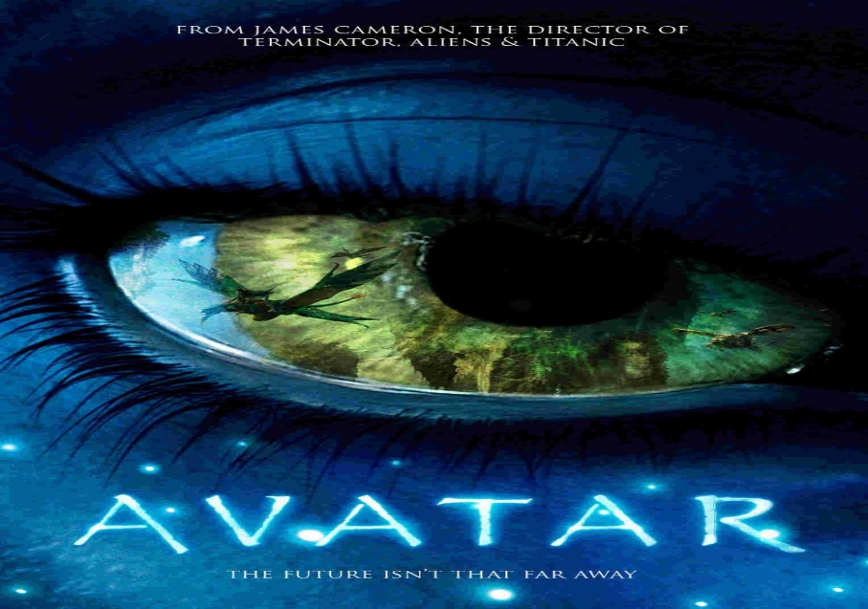

IMDB DATASET ANALYSIS

Dashboard
 |  |  |  |  |  |  | IMDB DATASET ANALYSIS
 |  | GENRE |  |  |  | ACTOR |  |  |  |  |  | MOVIE IN YEAR |  | DIRECTOR |  | Language
 | Average of IMDb Score (1-10) | Count of Title
Comedy | 6.2 | 1016
Action | 6.3 | 900
Drama | 6.8 | 672
Adventure | 6.6 | 362
Crime | 6.9 | 252
Biography | 7.1 | 204
Horror | 5.8 | 151
Animation | 6.8 | 45
Documentary | 7.0 | 43
Fantasy | 6.2 | 35
Mystery | 6.6 | 23
Sci-Fi | 6.6 | 8
Thriller | 5.3 | 3
Western | 6.8 | 3
Romance | 6.1 | 3
Family | 6.5 | 3
Musical | 6.8 | 2
 | Average of IMDb Score (1-10) | Count of Title
Comedy | 6.2 | 1016
Action | 6.3 | 900
Drama | 6.8 | 672
Adventure | 6.6 | 362
Crime | 6.9 | 252
Biography | 7.1 | 204
Horror | 5.8 | 151
Animation | 6.8 | 45
Documentary | 7.0 | 43
Fantasy | 6.2 | 35
Mystery | 6.6 | 23
Sci-Fi | 6.6 | 8
Thriller | 5.3 | 3
Western | 6.8 | 3
Romance | 6.1 | 3
Family | 6.5 | 3
Musical | 6.8 | 2
 | Count of Title | Average of IMDb Score (1-10)
Robert De Niro | 41 | 6.7
Johnny Depp | 33 | 6.9
Nicolas Cage | 30 | 6.3
Denzel Washington | 29 | 7.1
J.K. Simmons | 28 | 6.6
Bruce Willis | 27 | 6.6
Matt Damon | 27 | 6.9
Robin Williams | 26 | 6.6
Harrison Ford | 25 | 7.2
Robert Downey Jr. | 25 | 6.8
Movie in Year
 | Total
2002 | 189
2006 | 189
2005 | 183
2008 | 182
2009 | 181
2004 | 179
2001 | 177
2011 | 174
2010 | 170
2013 | 164
1999 | 161
2000 | 160
2012 | 159
2007 | 155
2014 | 151
2003 | 149
2015 | 127
1998 | 120
1997 | 106
1996 | 93
1995 | 67
1994 | 52
1993 | 45
1992 | 33
1989 | 32
1987 | 30
1991 | 30
1988 | 29
1990 | 27
1986 | 25
1984 | 20
1981 | 17
1985 | 15
1982 | 14
1983 | 13
1980 | 13
1977 | 7
1978 | 7
1979 | 6
1964 | 6
1974 | 6
1965 | 5
1973 | 5
1970 | 4
1971 | 4
1969 | 3
1975 | 3
1963 | 3
1940 | 2
1946 | 2
...
 |  |  |  |  |  |  |  |  |  |  |  |  | TopDirector Name | Count of Title | Average of IMDb Score (1-10)
 |  |  |  |  |  |  |  |  |  |  |  |  | Steven Spielberg | 24 | 7.6
 |  |  |  |  |  |  |  |  |  |  |  |  | Woody Allen | 19 | 7.0
 |  |  |  |  |  |  |  |  |  |  |  |  | Clint Eastwood | 19 | 7.2
Most used Language In Movie
 | Total
English | 3543
French | 37
Spanish | 26
Mandarin | 14
German | 13
Japanese | 12
Hindi | 10
Cantonese | 8
Italian | 7
Korean | 5
Portuguese | 5
 |  |  |  |  |  |  |  |  |  |  |  |  | Martin Scorsese | 16 | 7.7
 |  |  |  |  |  |  |  |  |  |  |  |  | Ridley Scott | 16 | 7.1
 |  |  |  |  |  |  |  |  |  |  |  |  | Steven Soderbergh | 15 | 6.7
 |  |  |  |  |  |  |  |  |  |  |  |  | Spike Lee | 15 | 6.7
 |  |  |  |  |  |  |  |  |  |  |  |  | Renny Harlin | 15 | 5.7
 |  |  |  |  |  |  |  |  |  |  |  |  | Tim Burton | 14 | 7.1
 |  |  |  |  |  |  |  |  |  |  |  |  | Oliver Stone | 13 | 6.9
 |  |  |  |  |  |  |  |  |  |  |  |  | Robert Zemeckis | 13 | 7.3
 |  |  |  |  |  |  |  |  |  |  |  |  | Ron Howard | 13 | 6.9
 |  |  |  |  |  |  |  |  |  |  |  |  | Barry Levinson | 13 | 6.6
 |  |  |  |  |  |  |  |  |  |  |  |  | Robert Rodriguez | 13 | 5.7

Rating
 | Total
R | 1679
PG-13 | 1248
PG | 553
G | 91
(blank) | 49
Not Rated | 43
Unrated | 24
Approved | 17
X | 9
NC-17 | 6
Passed | 3
M | 2
GP | 1
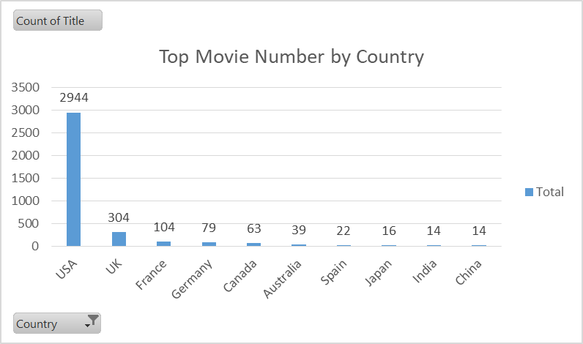
Genere | Average of IMDb Score (1-10) | Count of Title | Actor Name | Count of Title | Average of IMDb |  |  | Movies | Gross Revenue | Budget_ | Sum of profit_
Comedy | 6.2 | 1016 | Robert De Niro | 41 | 6.7 |  |  | Avatar | $760,505,847.00 | $237,000,000.00 | 69%
Action | 6.3 | 900 | Johnny Depp | 33 | 6.9 |  |  | Titanic | $658,672,302.00 | $200,000,000.00 | 70%
Drama | 6.8 | 672 | Nicolas Cage | 30 | 6.3 |  |  | Jurassic World | $652,177,271.00 | $200,000,000.00 | 77%
Adventure | 6.6 | 362 | Denzel Washington | 29 | 7.1 |  |  | The Avengers | $623,279,547.00 | $200,000,000.00 | 65%
Crime | 6.9 | 252 | J.K. Simmons | 28 | 6.6 |  |  | The Dark Knight | $533,316,061.00 | $200,000,000.00 | 65%
Biography | 7.1 | 204 | Bruce Willis | 27 | 6.6 |  |  | Star Wars: Episode I - The Phantom Menace | $474,544,677.00 | $200,000,000.00 | 76%
Horror | 5.8 | 151 | Matt Damon | 27 | 6.9 |  |  | Star Wars: Episode IV - A New Hope | $460,935,665.00 | $200,000,000.00 | 98%
Animation | 6.8 | 45 | Robin Williams | 26 | 6.6 |  |  | Avengers: Age of Ultron | $458,991,599.00 | $200,000,000.00 | 46%
Documentary | 7.0 | 43 | Harrison Ford | 25 | 7.2 |  |  | The Dark Knight Rises | $448,130,642.00 | $200,000,000.00 | 44%
Fantasy | 6.2 | 35 | Robert Downey Jr. | 25 | 6.8 |  |  | Shrek 2 | $436,471,036.00 | $200,000,000.00 | 66%
Mystery | 6.6 | 23
Sci-Fi | 6.6 | 8
Thriller | 5.3 | 3
Western | 6.8 | 3
Romance | 6.1 | 3
Family | 6.5 | 3
Musical | 6.8 | 2

Top Countries
Row Labels | Count of Title
USA | 2944
UK | 304
France | 104
Germany | 79
Canada | 63
Australia | 39
Spain | 22
Japan | 16
India | 14
China | 14
Grand Total | 3599

genre
Genere | Average of IMDb Score (1-10) | Count of Title
Comedy | 6.2 | 1016
Action | 6.3 | 900
Drama | 6.8 | 672
Adventure | 6.6 | 362
Crime | 6.9 | 252
Biography | 7.1 | 204
Horror | 5.8 | 151
Animation | 6.8 | 45
Documentary | 7.0 | 43
Fantasy | 6.2 | 35
Mystery | 6.6 | 23
Sci-Fi | 6.6 | 8
Thriller | 5.3 | 3
Western | 6.8 | 3
Romance | 6.1 | 3
Family | 6.5 | 3
Musical | 6.8 | 2
Grand Total | 6.4637315436 | 3725

Year
Year | Count of Title
2002 | 189
2006 | 189
Movie in Year
2005 | 183
2008 | 182
2009 | 181
2004 | 179
2001 | 177
2011 | 174
2010 | 170
2013 | 164
1999 | 161
2000 | 160
2012 | 159
2007 | 155
2014 | 151
2003 | 149
2015 | 127
1998 | 120
1997 | 106
1996 | 93
1995 | 67
1994 | 52
1993 | 45
1992 | 33
1989 | 32
1987 | 30
1991 | 30
1988 | 29
1990 | 27
1986 | 25
1984 | 20
1981 | 17
1985 | 15
1982 | 14
1983 | 13
1980 | 13
1977 | 7
1978 | 7
1979 | 6
1964 | 6
1974 | 6
1965 | 5
1973 | 5
1970 | 4
1971 | 4
1969 | 3
1975 | 3
1963 | 3
1940 | 2
1946 | 2
1954 | 2
1953 | 2
1972 | 2
1968 | 2
1939 | 2
1962 | 2
1976 | 2
1957 | 1
1947 | 1
1927 | 1
1950 | 1
1933 | 1
1952 | 1
1935 | 1
1966 | 1
1936 | 1
1967 | 1
1948 | 1
1937 | 1
1959 | 1
1920 | 1
1960 | 1
1929 | 1
1961 | 1
Grand Total | 3725

rating
Rating
Rating | Count of Title
R | 1679
PG-13 | 1248
PG | 553
G | 91
(blank) | 49
Not Rated | 43
Unrated | 24
Approved | 17
X | 9
NC-17 | 6
Passed | 3
M | 2
GP | 1
Grand Total | 3725

Top Movie Revenue
Row Labels | Gross Revenue | Budget
Avatar | 760505847 | 237000000
Titanic | 658672302 | 200000000
Jurassic World | 652177271 | 150000000
The Avengers | 623279547 | 220000000
The Dark Knight | 533316061 | 185000000
Star Wars: Episode I - The Phantom Menace | 474544677 | 115000000
Star Wars: Episode IV - A New Hope | 460935665 | 11000000
Avengers: Age of Ultron | 458991599 | 250000000
The Dark Knight Rises | 448130642 | 250000000
Shrek 2 | 436471036 | 150000000
Grand Total | 5507024647 | 1768000000

